Table linkage

 |  |  |  |  |  | PIN & Target
 | Student table fields |  | LC table fields |  | Damage Tracker Table fields | Camp
unique for this table | SYS_generated ID |  | Upazila |  | Facility ID | Gender
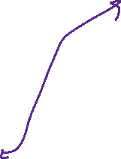
unique for this table | Progress_id |  | Union |  | Programme Partner | Age group
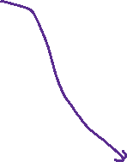
 | Facility_id |  | Camp |  | Implementing Partners | PIN
 |  |  | Camp SSID |  | etc. | Target JRP-2020
 | Name of the student |  | Para Name | unique for this table | generate plz | Outreach
 | Father's_Name |  | Para ID |  | Camp/Location
 | Mother's_Name |  | Block Name |  | Block name
 | FCN_id |  | Facility Name |  | Damage Status
 | Beneficiary_Camp | unique for this table | Facility ID |  | Damage caused by
 | Beneficiary_Block |  | Targeted Population |  | Date of damage took place (Ex: mm/dd/yyyy; 4/26/2020)
 | Beneficiary_Sub-Block |  | Type |  | Action required
 | Date_of_birth(Example: 31 January, 1990) |  | Facility Status |  | # days required to take action
 | Sex(M/F/O) |  | Latitude |  | Taken action
 | Disabled (Yes/No) |  | Longitude |  | Repair started date (Ex: mm/dd/yyyy; 4/26/2020)
 | Level of the study |  | Donors start date |  | Repair Ending date (Ex: mm/dd/yyyy; 4/26/2020)
 | Enrollment_Date of current level |  | Donors end date |  | How many time the facility damaged in 2020
 |  |  | Donors |  | Reporting Date (Ex: mm/dd/yyyy; 4/26/2020)
 |  |  | Programme Partner |  | Remarks
 |  |  | Implementing Partners
 |  |  | Non Education Partners
 |  |  | # of LF established in rohingya community
 |  |  | # of classrooms in LF in rohingya community
 |  |  | # of shifts in LF in rohingya community
 |  |  | # of Functional Community Latrines near LF
 |  |  | # of Latrines established for Boys
 |  |  | # of Latrines established for Girls
 |  |  | ID of the latrines accessible to the LC (use ; separator)
 |  |  | # of handwashing station established
 |  |  | # of female rohingya learning facilitators trained
 |  |  | # of male rohingya learning facilitators trained
 |  |  | # of female HC learning facilitators trained
 |  |  | # of male HC learning facilitators trained
 |  |  | Number of DRR awareness sessions conducted in HC (non-formal/community-based schools)
 |  |  | # of Rohingya Learning Facility Education Committees established in rohingya camps
 |  |  | # of female rohingya caregivers sensitized on child/youth rights, protection and parenting
 |  |  | # of male rohingya caregivers sensitized on child/youth rights, protection and parenting
 |  |  | # of female HC caregivers sensitized on child/youth rights, protection and parenting
 |  |  | # of male HC caregivers sensitized on child/youth rights, protection and parenting
 |  |  | # of rohingya girls aged 3-24 years old engaged in social cohesion initiatives
 |  |  | # of rohingya boys aged 3-24 years old engaged in social cohesion initiatives
 |  |  | # of children benefitting from food
 |  |  | # of children benefitting from school/classroom/toilet rehabilitation
 |  |  | # of children benefitting food
 |  |  | Other rapid intervention (ICT, LAB etc.)
 |  |  | Remarks
 |  |  | Name
 |  |  | Email
 |  |  | Phone

3. Learning facility Map
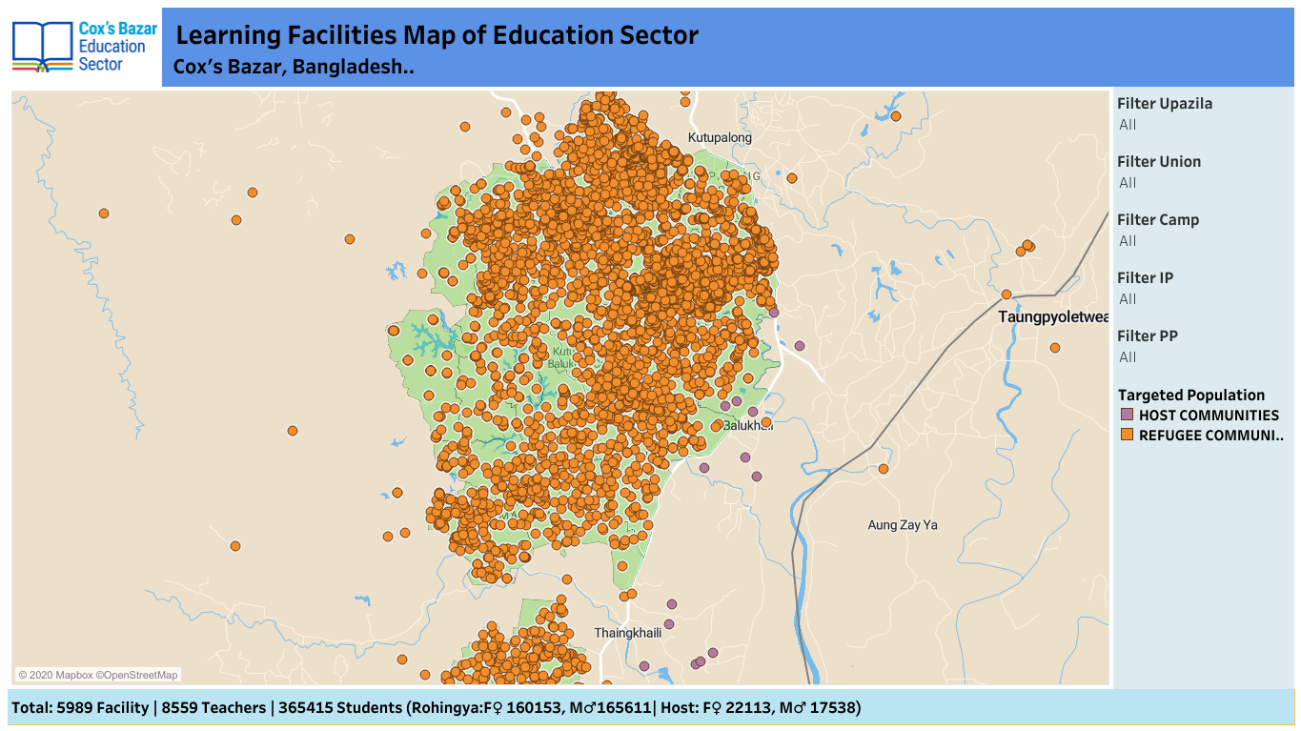
1. Interactive dashboard needed with good data visualization
2. Current Dashboard link for idea (we are not looking a copy of current one) | https://public.tableau.com/views/EducationSectorLearningFacilityMap/Dashboard1?:language=en&:display_count=y&:origin=viz_share_link

